Sheet1
 |  | 255 | 245 | 235 | 225 | 215 | 205 | 195 | 185 | 175 | 165
 | R
 | G
 | B
 | O | 255 = Normal, -50 Rotates 90 degrees counter-clockwise |  |  |  |  |  |  | Tiles 1x1

R | 180 |  |  |  |  |  |  |  |  | <- Auto Rotation |  | <
G | 130 |  |  |  |  |  |  |  |  | <- Auto Selection
B | 90 |  |  |  |  |  |  |  |  | Lg Trees 5x5(tiles)
O | 255

R | 180 |  |  |  |  |  |  |  | <-- Automatic Rotation
G | 130 |  |  |  |  |  |  |  | <-- Automatic Selection
B | 90 |  |  |  |  |  |  |  | Medium Trees, 3x3(tiles)
O | 205

R | 40 |  |  |  |  |  |  |  |  | <-- Auto Selection
G | 40 |  |  |  |  |  |  |  |  | <-- No rotation
B | 40 |  |  |  |  |  |  |  |  | Lg Rocks 5x5
O | 255

R | 40 |  |  |  |  |  |  |  |  | <-- Auto Selection
G | 40 |  |  |  |  |  |  |  |  | <-- No rotation
B | 40 |  |  |  |  |  |  |  |  | Med Rocks 3x3
O | 205

R | 40 |  |  |  |  |  |  |  |  | <-- Auto Selection
G | 40 |  |  |  |  |  |  |  |  | <- No rotation
B | 40 |  |  |  |  |  |  |  |  | Small Rocks 1x1
O | 155

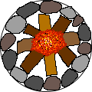
R | 255 |  |  |  | <-- Animation
G | 150 |  |  |  | FirePit, 3x3(tiles)
B | 80
O | 255


R | 40
G | 10
B | 10
O | 255 |  |  |  | Wood Wall, 1x1(tiles)

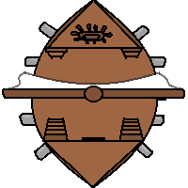
R | 255
G | 255
B | 255 |  |  |  | <-- Boat, 5x5(tiles)
O | 255 |  |  |  | Starts facing down, -50 OPACITY for 90 degrees counter-clockwise rot


R | 250
G | 200
B | 50 |  |  |  | <-- Hut, 3x3(tiles)
O | 255 |  |  |  | Starts facing down, -50 OPACITY for 90 degrees counter-clockwise rot


R | 110 |  |  |  | Bridge Side, 1x1(tiles)----> |  |  | 120
G | 50 |  |  |  | Starts vertical-------> |  |  | 50
B | 0 |  |  |  | -50 OPCAITY for Horizontal |  |  | 0
O | 255 |  |  |  | <-- Bridge Middle, 1x1(tiles) |  |  | 255

 |  | 0,0,0 |  | 10,10,10 |  |  | 20,20,20 |  |  | 30,30,30
R | 0
G | 0
B | 0
O | 255
Dirt Paths, 1x1(tiles)
Start as shown, -50 OPACITY for 90 degrees counter-clockwise rotation

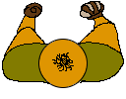
R | 200 |  |  | Brute |  | R | 255 |  |  | Health
G | 0 |  |  |  |  | G | 0
B | 0 |  |  |  |  | B | 0
O | 200 |  |  |  |  | O | 100
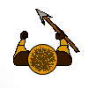
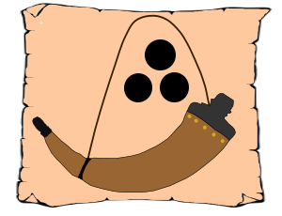
R | 0 |  |  | HeadHunter |  | R | 70 |  |  | Ammo
G | 200 |  |  |  |  | G | 70
B | 0 |  |  |  |  | B | 70
O | 200 |  |  |  |  | O | 100


R | 0 |  |  | WitchDoctor
G | 0
B | 200
O | 200
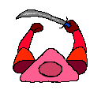
R | 255 |  |  | Player
G | 0
B | 255
O | 255

